Intro
 | NSSE 2011 Multi-Year Benchmark Report

Interpreting the Multi-Year Benchmark Report

Key Terms and Features in this Report
Error Bars/Confidence Intervals
Error bars around each benchmark score show the upper and lower bounds of the 95% confidence interval (mean +/- 1.96 * SEM), a range of values 95% likely to contain the true population score. "Upper" and "Lower" limits are reported in the detailed statistics tables. Where confidence intervals do not overlap between years, a statistically significant difference (p < .05) is likely to be present.
Y-Axis
Benchmarks are computed on a 0 to 100 scale, however nearly all institutional scores are between the y-axis values of 15 and 85.
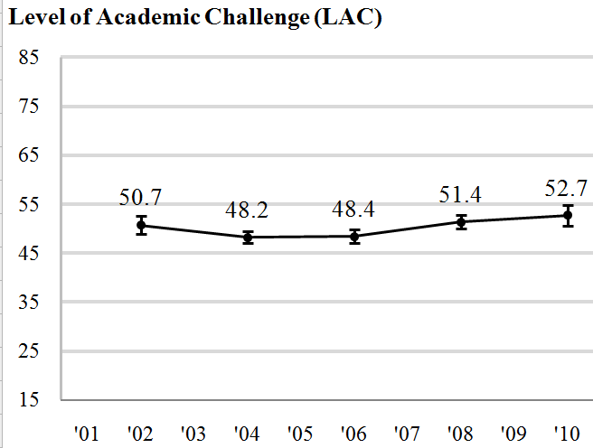

Benchmark Score
The benchmark score is the weighted average of the students' scores, using only randomly sampled students (including those from census administrations) from each year's data.

Year

First-Year
 | NSSE 2011 Multi-Year Benchmark Report Multi-Year Chartsa
 | NC State University
First-Year Students
Level of Academic Challenge (LAC)
Active and Collaborative Learning (ACL)
 |  | First-Years' Data
 |  |  |  | '01 | '09 | '11
 |  | LAC | FY | 50.9 | 54.3 | 52.7
 |  | LAC | CI | 1.7 | 0.7 | 0.8
 |  | ACL | FY | 39.0 | 43.3 | 42.4
 |  | ACL | CI | 1.7 | 0.8 | 1.1
 |  | SFI | FY |  | 34.6 | 32.6
 |  | SFI | CI |  | 1.0 | 1.2
 |  | SFC | FY | 37.3 | 40.7 | 38.1
 |  | SFC | CI | 2.3 | 1.2 | 1.3
 |  | EEE | FY |  | 30.0 | 30.0
 |  | EEE | CI |  | 0.7 | 0.9
 |  | SCE | FY | 57.9 | 63.7 | 63.9
 |  | SCE | CI | 2.2 | 1.1 | 1.2
Student-Faculty Interaction (SFI)b
Enriching Educational Experiences (EEE)c
 | EEE
'01
'09 | 30.0
'11 | 30.0
 |  | Note: "FY" indicates chart data, while "CI" represents the corresponding confidence interval.

Supportive Campus Environment (SCE)

Seniors
 | NSSE 2011 Multi-Year Benchmark Report Multi-Year Chartsa
 | NC State University
Seniors
Level of Academic Challenge (LAC)
Active and Collaborative Learning (ACL)
 |  | Seniors' Data
 |  |  |  | '01 | '09 | '11
 |  | LAC | SR | 55.2 | 56.9 | 55.6
 |  | LAC | CI | 1.8 | 0.9 | 1.0
 |  | ACL | SR | 48.3 | 50.4 | 49.7
 |  | ACL | CI | 2.2 | 1.0 | 1.2
 |  | SFI | SR |  | 43.5 | 41.5
 |  | SFI | CI |  | 1.3 | 1.6
 |  | SFC | SR | 40.6 | 46.2 | 44.3
 |  | SFC | CI | 2.7 | 1.3 | 1.6
 |  | EEE | SR |  | 46.2 | 45.2
 |  | EEE | CI |  | 1.0 | 1.4
 |  | SCE | SR | 52.2 | 58.4 | 59.5
 |  | SCE | CI | 2.4 | 1.2 | 1.5
Student-Faculty Interaction (SFC)b
Enriching Educational Experiences (EEE)c
 | EEE
'01
'09 | 46.2
'11 | 45.2
 |  | Note: "SR" indicates chart data, while "CI" represents the corresponding confidence interval.

Supportive Campus Environment (SCE)

